Pic
Menu

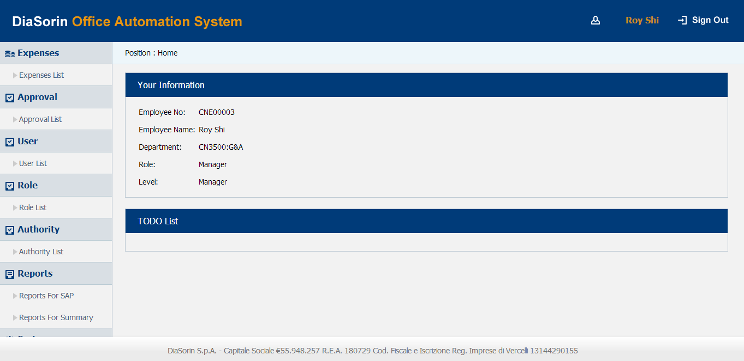

Expenses List

Expense Claim

Expense Details

Review

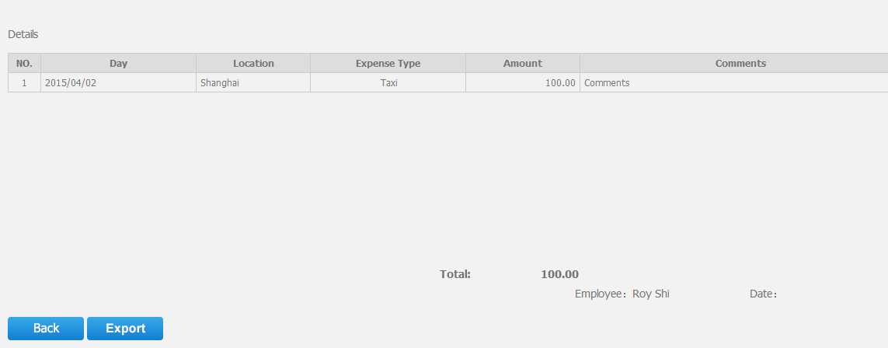

Approve List

User List

Employee Info

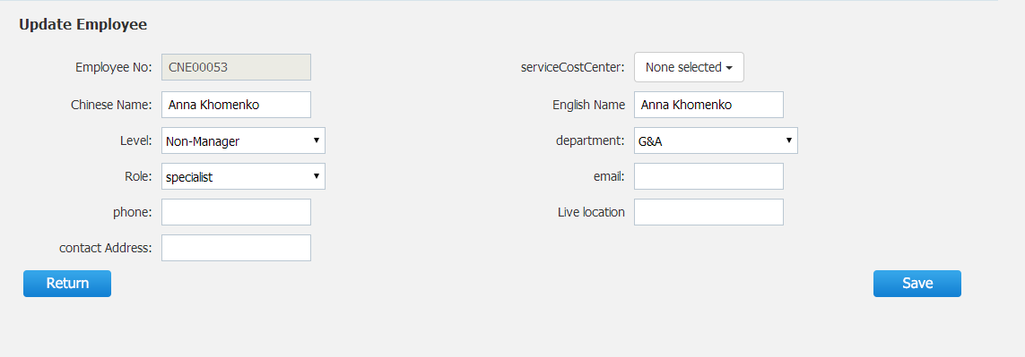

Role List

Internal Reports

Expenses Settings

System Setting-Employee Level

System Setting-Expense Item

System Setting-Cost Center

